DSE material loss
Duration of run | DSE ID | Material loss | DSE ID | B19#1 |  |  |  | DSE ID | B19#2 |  |  |  | DSE ID | B18#1 |  |  |  | DSE ID | B18#2 |  |  |  | DSE ID | B52#1 |  |  |  | DSE ID | B52#2 |  |  |  | DSE ID | B52#3
3.24 | B19#1 | 0.05 | Runtime | ID | Material loss | Total runtime | Total material loss | Runtime | ID | Material loss | Total runtime | Total material loss | Runtime | ID | Material loss | Total runtime | Total material loss | Runtime | ID | Material loss | Total runtime | Total material loss | Runtime | ID | Material loss | Total runtime | Total material loss | Runtime | ID | Material loss | Total runtime | Total material loss | Runtime | ID | Material loss | Total runtime | Total material loss
65 | B19#2 | 0.48 | 0 | B19#1 | 0 | 0 | 0 | 0 | B19#2 | 0 | 0 | 0 | 0 | B18#1 | 0 | 0 | 0 | 0 | B18#2 | 0 | 0 | 0 | 0 | B52#1 | 0 | 0 | 0 | 0 | B52#2 | 0 | 0 | 0 | 0 | B52#3 | 0 | 0 | 0
18.45 | B19#2 | -0.04 | 3.24 | B19#1 | 0.05 | 3.24 | 0.05 | 65 | B19#2 | 0.48 | 65 | 0.48 | 61.6 | B18#1 | 0.16 | 61.6 | 0.16 | 38.8 | B18#2 | 0.05 | 38.8 | 0.05 | 19.6 | B52#1 | 0 | 19.6 | 0 | 87.8 | B52#2 | 0.47 | 87.8 | 0.47 | 144.4 | B52#3 | 0.11 | 144.4 | 0.11
29.23 | B19#1 | -0.01 | 29.23 | B19#1 | -0.01 | 32.47 | 0.04 | 18.45 | B19#2 | -0.04 | 83.45 | 0.44 | 42.2 | B18#1 | 0 | 103.8 | 0.16 | 38.3 | B18#2 | -0.03 | 77.1 | 0.02 | 94.8 | B52#1 | 0.47 | 114.4 | 0.47 | 107.8 | B52#2 | 1.16 | 195.6 | 1.63 | 76.3 | B52#3 | 0.14 | 220.7 | 0.25
20.16 | B19#2 | 0.13 | 13.7 | B19#1 | 0.06 | 46.17 | 0.1 | 20.16 | B19#2 | 0.13 | 103.61 | 0.57 | 68.4 | B18#1 | 0.02 | 172.2 | 0.18 | 20 | B18#2 | 0 | 97.1 | 0.02 | 71.5 | B52#1 | 1.05 | 185.9 | 1.52 | 56.8 | B52#2 | 0.34 | 252.4 | 1.97 | 73.3 | B52#3 | 0.19 | 294 | 0.44
13.7 | B19#1 | 0.06 |  |  |  |  |  | 23.5 | B19#2 | 0.06 | 127.11 | 0.63 | 143.5 | B18#1 | 0.17 | 315.7 | 0.35 | 21.6 | B18#2 | 0.06 | 118.7 | 0.08 | 190.7 | B52#1 | 9.73 | 376.6 | 11.25 | 93.1 | B52#2 | 0.64 | 345.5 | 2.61 | 146.7 | B52#3 | 0.52 | 440.7 | 0.96
61.6 | B18#1 | 0.16 |  |  |  |  |  | 2.2 | B19#2 | 0.03 | 129.31 | 0.66 |  |  |  | 315.7 | 0.35 | 65 | B18#2 | 0.01 | 183.7 | 0.09 |  |  |  |  |  | 65.8 | B52#2 | 0.41 | 411.3 | 3.02 | 45.6 | B52#3 | 0.23 | 486.3 | 1.19
38.8 | B18#2 | 0.05 |  |  |  |  |  | 12.9 | B19#2 | 1.43 | 142.21 | 2.09 |  |  |  | 315.7 | 0.35 | 26 | B18#2 | 0 | 209.7 | 0.09 |  |  |  |  |  | 0 | B52#2 | 881.46 |  |  | 0 | B52#3 | 883.17
42.2 | B18#1 | 0 |  |  |  |  |  | 6.45 | B19#2 | 0.2 | 148.66 | 2.29 |  |  |  | 315.7 | 0.35 | 22.3 | B18#2 | -0.03 | 232 | 0.06
38.3 | B18#2 | -0.03 |  |  |  |  |  | 63 | B19#2 | 0.24 | 211.66 | 2.53 |  |  |  | 315.7 | 0.35 | 18.2 | B18#2 | 0.03 | 250.2 | 0.09
23.5 | B19#2 | 0.06 |  |  |  |  |  | 49 | B19#2 | 0.12 | 260.66 | 2.65 |  |  |  | 315.7 | 0.35 | 6.2 | B18#2 | -0.02 | 256.4 | 0.07
20 | B18#2 | 0 |  |  |  |  |  | 22.9 | B19#2 | 0.02 | 283.56 | 2.67 |  |  |  | 315.7 | 0.35 | 62.8 | B18#2 | 0.05 | 319.2 | 0.12
21.6 | B18#2 | 0.06 |  |  |  |  |  | 9.6 | B19#2 | 0.09 | 293.16 | 2.76 |  |  |  | 315.7 | 0.35 | 104 | B18#2 | 0.06 | 423.2 | 0.18
2.2 | B19#2 | 0.03 |  |  |  |  |  | 6.6 | B19#2 | 0.02 | 299.76 | 2.78 |  |  |  | 315.7 | 0.35 | 58.5 | B18#2 | 0.04 | 481.7 | 0.22
12.9 | B19#2 | 1.43 |  |  |  |  |  | 62.6 | B19#2 | 0.18 | 362.36 | 2.96 |  |  |  | 315.7 | 0.35 | 6 | B18#2 | -0.02 | 487.7 | 0.2
6.45 | B19#2 | 0.2 |  |  |  |  |  | 164.2 | B19#2 | 0.48 | 526.56 | 3.44 |  |  |  | 315.7 | 0.35 | 82.6 | B18#2 | 0.08 | 570.3 | 0.28
65 | B18#2 | 0.01 |  |  |  |  |  | 90.8 | B19#2 | 0.19 | 617.36 | 3.63 |  |  |  | 315.7 | 0.35 | 15.4 | B18#2 | 0.04 | 585.7 | 0.32
63 | B19#2 | 0.24 |  |  |  |  |  | 155.9 | B19#2 | 0.41 | 773.26 | 4.04 |  |  |  | 315.7 | 0.35 | 290 | B18#2 | 0.9 | 875.7 | 1.22
26 | B18#2 | 0 |  |  |  |  |  | 14 | B19#2 | 0.06 | 787.26 | 4.1 |  |  |  | 315.7 | 0.35 | 168.8 | B18#2 | 0.02 | 1044.5 | 1.24
49 | B19#2 | 0.12 |  |  |  |  |  | 9.8 | B19#2 | -0.04 | 797.06 | 4.06 |  |  |  | 315.7 | 0.35 | 85.8 | B18#2 | 0.03 | 1130.3 | 1.27
22.9 | B19#2 | 0.02 |  |  |  |  |  | 7.5 | B19#2 | -0.01 | 804.56 | 4.05 |  |  |  | 315.7 | 0.35 | 88.8 | B18#2 | 0.01 | 1219.1 | 1.28
22.3 | B18#2 | -0.03 |  |  |  |  |  | 88.2 | B19#2 | 0.27 | 892.76 | 4.32 |  |  |  | 315.7 | 0.35 | 69 | B18#2 | 0.06 | 1288.1 | 1.34
9.6 | B19#2 | 0.09 |  |  |  |  |  | 14.3 | B19#2 | 0.06 | 907.06 | 4.38 |  |  |  | 315.7 | 0.35 | 66.9 | B18#2 | 0.05 | 1355 | 1.39
18.2 | B18#2 | 0.03 |  |  |  |  |  | 89.8 | B19#2 | 0.18 | 996.86 | 4.56 |  |  |  | 315.7 | 0.35 | 21.5 | B18#2 | -0.07 | 1376.5 | 1.32
6.6 | B19#2 | 0.02 |  |  |  |  |  | 217.5 | B19#2 | 0.51 | 1214.36 | 5.07 |  |  |  | 315.7 | 0.35 | 34.2 | B18#2 | 0.07 | 1410.7 | 1.39
6.2 | B18#2 | -0.02 |  |  |  |  |  | 18.7 | B19#2 | 0.05 | 1233.06 | 5.12 |  |  |  | 315.7 | 0.35 | 168.6 | B18#2 | 0.02 | 1579.3 | 1.41
62.6 | B19#2 | 0.18 |  |  |  |  |  | 6.2 | B19#2 | 0.03 | 1239.26 | 5.15 |  |  |  | 315.7 | 0.35 | 164 | B18#2 | 0.09 | 1743.3 | 1.5
62.8 | B18#2 | 0.05 |  |  |  |  |  | 28.8 | B19#2 | 0.17 | 1268.06 | 5.32 |  |  |  | 315.7 | 0.35 | 98.82 | B18#2 | 0.09 | 1842.12 | 1.59
164.2 | B19#2 | 0.48 |  |  |  |  |  | 39.1 | B19#2 | 0.31 | 1307.16 | 5.63 |  |  |  | 315.7 | 0.35 | 167.8 | B18#2 | 0.09 | 2009.92 | 1.68
104 | B18#2 | 0.06 |  |  |  |  |  | 166.9 | B19#2 | 0.95 | 1474.06 | 6.58 |  |  |  | 315.7 | 0.35 | 280 | B18#2 | 0.15 | 2289.92 | 1.83
58.5 | B18#2 | 0.04 |  |  |  |  |  | 128.7 | B19#2 | 1.25 | 1602.76 | 7.83 |  |  |  | 315.7 | 0.35 | 292.5 | B18#2 | 0.09 | 2582.42 | 1.92
90.8 | B19#2 | 0.19 |  |  |  |  |  | 73.2 | B19#2 | 0.94 | 1675.96 | 8.77 |  |  |  | 315.7 | 0.35
6 | B18#2 | -0.02 |  |  |  |  |  | 172.8 | B19#2 | 4.93 | 1848.76 | 13.7
155.9 | B19#2 | 0.41 |  |  |  |  |  | 133.6 | B19#2 | 5.38 | 1982.36 | 19.08
82.6 | B18#2 | 0.08 |  |  |  |  |  | 20.8 | B19#2 | 1.2 | 2003.16 | 20.28
15.4 | B18#2 | 0.04 |  |  |  |  |  | 65.6 | B19#2 | 17.69 |  | 37.97
290 | B18#2 | 0.9 |  |  |  |  |  | 50.8 | B19#2 | 7.75
14 | B19#2 | 0.06
9.8 | B19#2 | -0.04
DSE Material loss
 | B19#1 |  | B19#2 |  | B18#1 |  | B18#2 |  | B52#1
0 | 0 | 0 | 0 | 0 | 0 | 0 | 0 | 0 | 0
3.24 | 0.05 | 65 | 0.48 | 61.6 | 0.16 | 38.8 | 0.05 | 19.6 | 0
32.47 | 0.04 | 83.45 | 0.44 | 103.8 | 0.16 | 77.1 | 0.02 | 114.4 | 0.47
46.17 | 0.1 | 103.61 | 0.57 | 172.2 | 0.18 | 97.1 | 0.02 | 185.9 | 1.52
 |  | 127.11 | 0.63 | 315.7 | 0.35 | 118.7 | 0.08 | 376.6 | 11.25
 |  | 129.31 | 0.66 | 315.7 | 0.35 | 183.7 | 0.09
 |  | 142.21 | 2.09 | 315.7 | 0.35 | 209.7 | 0.09
 |  | 148.66 | 2.29 | 315.7 | 0.35 | 232 | 0.06
 |  | 211.66 | 2.53 | 315.7 | 0.35 | 250.2 | 0.09
 |  | 260.66 | 2.65 | 315.7 | 0.35 | 256.4 | 0.07
 |  | 283.56 | 2.67 | 315.7 | 0.35 | 319.2 | 0.12
 |  | 293.16 | 2.76 | 315.7 | 0.35 | 423.2 | 0.18
 |  | 299.76 | 2.78 | 315.7 | 0.35 | 481.7 | 0.22
 |  | 362.36 | 2.96 | 315.7 | 0.35 | 487.7 | 0.2
 |  | 526.56 | 3.44 | 315.7 | 0.35 | 570.3 | 0.28
 |  | 617.36 | 3.63 | 315.7 | 0.35 | 585.7 | 0.32
 |  | 773.26 | 4.04 | 315.7 | 0.35 | 875.7 | 1.22
 |  | 787.26 | 4.1 | 315.7 | 0.35 | 1044.5 | 1.24
 |  | 797.06 | 4.06 | 315.7 | 0.35 | 1130.3 | 1.27
 |  | 804.56 | 4.05 | 315.7 | 0.35 | 1219.1 | 1.28
 |  | 892.76 | 4.32 | 315.7 | 0.35 | 1288.1 | 1.34
 |  | 907.06 | 4.38 | 315.7 | 0.35 | 1355 | 1.39
 |  | 996.86 | 4.56 | 315.7 | 0.35 | 1376.5 | 1.32
 |  | 1214.36 | 5.07 | 315.7 | 0.35 | 1410.7 | 1.39
 |  | 1233.06 | 5.12 |  |  | 1579.3 | 1.41
 |  | 1239.26 | 5.15 |  |  | 1743.3 | 1.5
 |  | 1268.06 | 5.32 |  |  | 1842.12 | 1.59
 |  | 1307.16 | 5.63 |  |  | 2009.92 | 1.68
 |  | 1474.06 | 6.58 |  |  | 2289.92 | 1.83
 |  | 1602.76 | 7.83 |  |  | 2582.42 | 1.92
 |  | 1675.96 | 8.77
 |  | 1848.76 | 13.7
 |  | 1982.36 | 19.08
 |  | 2003.16 | 20.28
168.8 | B18#2 | 0.02
DSE Material loss
 | B52#1 |  | B52#2 |  | B52#3
0 | 0 | 0 | 0 | 0 | 0
19.6 | 0 | 87.8 | 0.47 | 144.4 | 0.11
114.4 | 0.47 | 195.6 | 1.63 | 220.7 | 0.25
185.9 | 1.52 | 252.4 | 1.97 | 294 | 0.44
376.6 | 11.25 | 345.5 | 2.61 | 440.7 | 0.96
 |  | 411.3 | 3.02 | 486.3 | 1.19
7.5 | B19#2 | -0.01
88.2 | B19#2 | 0.27
14.3 | B19#2 | 0.06 |  |  |  |  |  |  |  |  |  |  |  |  |  |  |  |  |  |  |  |  | 0.00098532643369
89.8 | B19#2 | 0.18
85.8 | B18#2 | 0.03
217.5 | B19#2 | 0.51
88.8 | B18#2 | 0.01
18.7 | B19#2 | 0.05
6.2 | B19#2 | 0.03
28.8 | B19#2 | 0.17
69 | B18#2 | 0.06
39.1 | B19#2 | 0.31
68.4 | B18#1 | 0.02
66.9 | B18#2 | 0.05
143.5 | B18#1 | 0.17
21.5 | B18#2 | -0.07
34.2 | B18#2 | 0.07
168.6 | B18#2 | 0.02
166.9 | B19#2 | 0.95
164 | B18#2 | 0.09
128.7 | B19#2 | 1.25
98.82 | B18#2 | 0.09
73.2 | B19#2 | 0.94
167.8 | B18#2 | 0.09
280 | B18#2 | 0.15
172.8 | B19#2 | 4.93
292.5 | B18#2 | 0.09
133.6 | B19#2 | 5.38
20.8 | B19#2 | 1.2
19.6 | B52#1 | 0
94.8 | B52#1 | 0.47
71.5 | B52#1 | 1.05
65.6 | B19#2 | 17.69
190.7 | B52#1 | 9.73
50.8 | B19#2 | 7.75
87.8 | B52#2 | 0.47
144.4 | B52#3 | 0.11
107.8 | B52#2 | 1.16
76.3 | B52#3 | 0.14
56.8 | B52#2 | 0.34
73.3 | B52#3 | 0.19
93.1 | B52#2 | 0.64
146.7 | B52#3 | 0.52
65.8 | B52#2 | 0.41
0 | B52#2 | 881.46
45.6 | B52#3 | 0.23
0 | B52#3 | 883.17
0 | 0 | 0
0 | 0 | 0
0 | 0 | 0
0 | 0 | 0

bilder
Test ID
2024-1068-A36 | 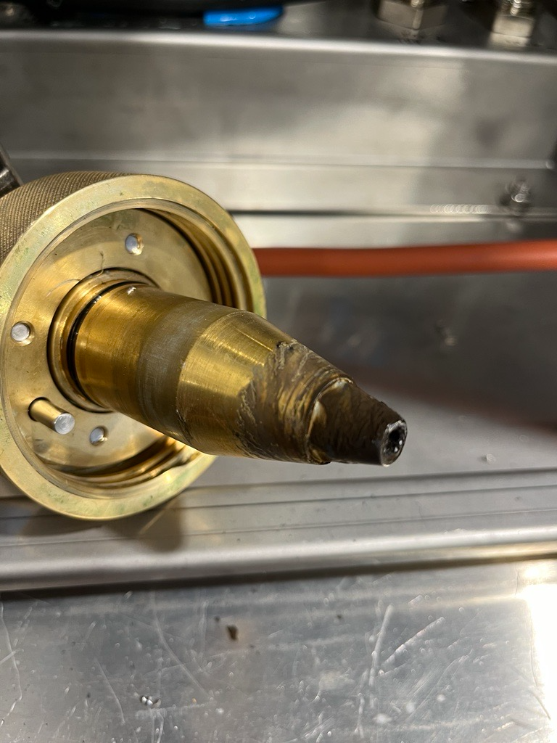 | 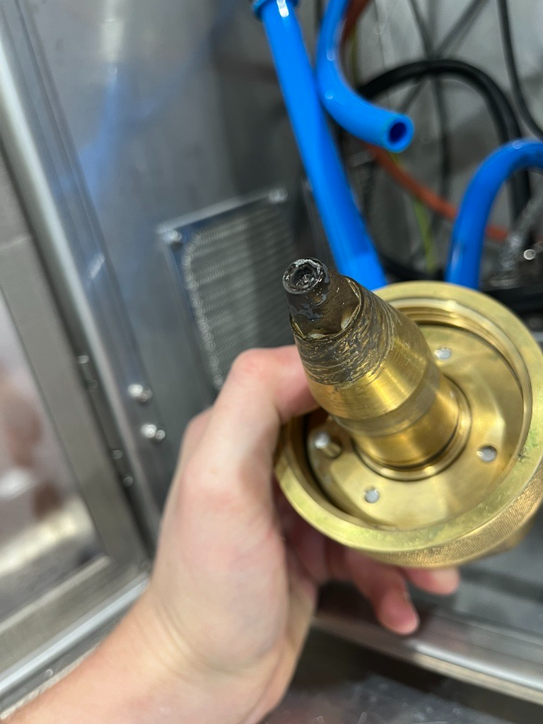 | 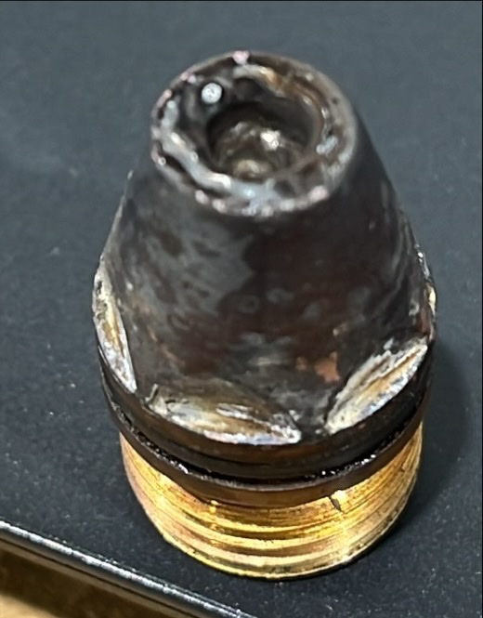
2024-1068-A37 | 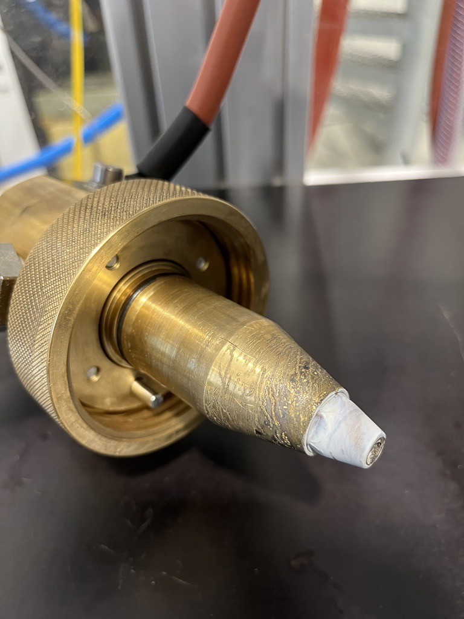 | 